LinkedIn Statics NEL
 |  |  |  |  | LinkedIn | Sponsored Content | Statics


 | IMAGE REQUIREMENTS

Introductory Text
 |  |  | Size:
 |  |  | 1.91:1 RATIO
 |  |  | 9:16 - STORIES *BETA*

 | Recommended Resolution:
1200x627px - LANDSCAPE |  |  |  |  |  |  |  |  |  |  | Apply
1080x1920px - STORIES *BETA* |  |  |  |  |  |  |  |  |  |  | Download
 |  |  |  |  |  |  |  |  |  |  | View Quote
 |  |  | Width: |  |  |  |  |  |  |  | Learn More
 |  |  | ABOVE 400PX |  |  |  |  |  |  |  | Sign Up
 |  |  |  |  |  |  |  |  |  |  | Subscribe
 |  |  | Weight: |  |  |  |  |  |  |  | Register
 |  |  | 100MB |  |  |  |  |  |  |  | Join
 |  |  |  |  |  |  |  |  |  |  | Attend
 |  |  | Type: |  |  |  |  |  |  |  | Request Demo
 |  |  | JPG, JPEG, PNG
Display URL
Ad Headline
CTA Button

 |  |  |  |  |  | O
Ad Set |  | Theme | PostID | Introductory Text |  |  | Limit | Ad Headline | Limit | Image Copy Text |  | CTA Landing Page | CTA (Drop-Down) | Creatives | Asset Links

Ad Set 1 LINKEDIN |  | ANZ | Static 1 | Heavy vehicles play a major role in both freight and emissions in ANZ. Discover how intelligent infrastructure can accelerate fleet electrification. |  |  | 148 | Why fleet electrification starts with infrastructure | 52 | Heavy vehicles, light on emissions? Enabling fleet decarbonisation at scale with intelligent infrastructure. |  | NZ: https://engage.se.future-ready.co/nz-heavy-ev-charging-infra-registration AU: https://engage.se.future-ready.co/au-heavy-ev-charging-infra-registration | Learn More | 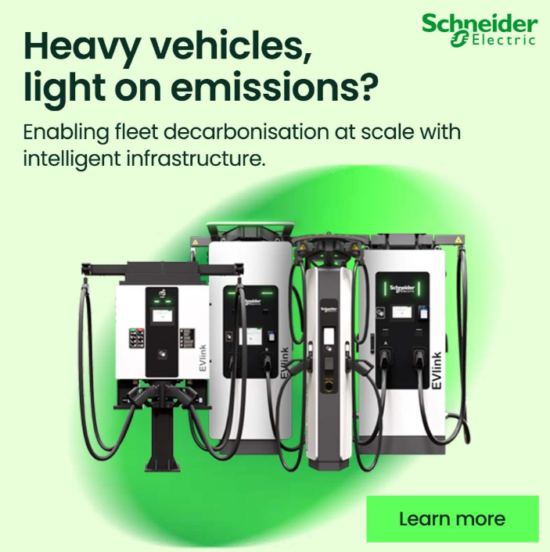 | Linkedin Static 1_1200x1200_v1.jpg | AI workloads are growing fast. Your infrastructure should grow smarter. Our AI-ready data centres use advanced cooling for reliable performance. Keep your infrastructure a step ahead with data centres built for performance and efficiency. AI workloads are growing fast. Keep your infrastructure ahead with data centres built for performance and efficiency.

Ad Set 2 LINKEDIN |  | ANZ | Static 2 | When you need as much power as a small town, standalone energy systems won't cut it. You need a connected energy ecosystem. |  |  | 123 | Fleet electrification demands more than chargers | 48 | A fleet charging station needs >25MW. Can the grid alone reliably supply that? |  |  | Learn More | 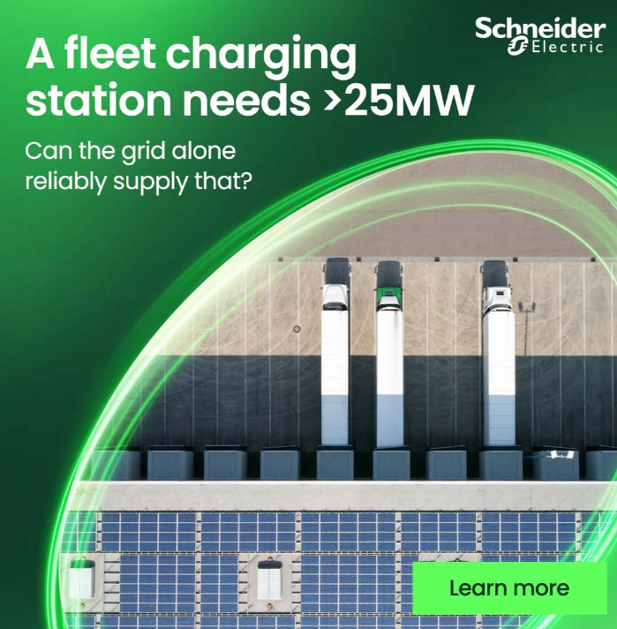 | Linkedin Static 1_1200x1200_v2.jpg

Ad Set 3 LINKEDIN |  | ANZ | Static 3 | Heavy EV charging brings new pressures, from grid demand to uptime. See why intelligent energy management is essential to scalable fleet charging. |  |  | 146 | Heavy EV charging systems need to think ahead | 45 | How do you deliver >25MW total site power with minimal downtime? |  |  | Learn More | 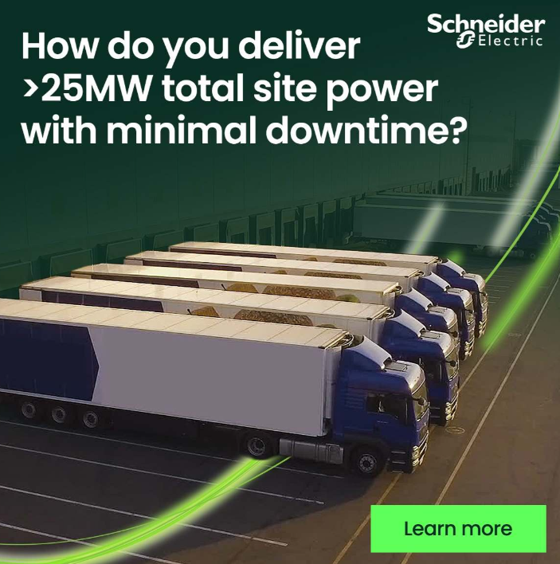 | Linkedin Static 1_1200x1200_v3.jpg

